Eye-tracking details
Technical details eye-tracking setup - Example |  | Notes

Lab name | Early Learning Project
Eye-tracking system | Tobii TX300

Screen resolution in pixels
Width | 1920
Height | 1080
Screen dimensions in mm
Width | 510 | 23''
Height | 290
Distance at which the infant was seated from the screen in mm
distance | ˜630
Samplerate of the eye-tracker in Hz
samplerate | 300 Hz

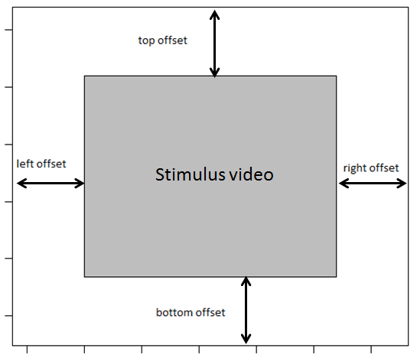
Variable names
Please specify the names of the variables in the raw eye-tracking data file that refer to the:

Participant ID | ParticipantName
Stimuli | StudioTestName | Order
Trial | MediaName | Video

AOI information
Please specify where the stimulus video was located on the screen, see figure

left offset in pixels | 226 | IDK
right offset in pixels | 226 | IDK
top offset in pixels | 0
bottom offset in pixels | 0

Was the stimulus video presented as described in this document:
https://docs.google.com/spreadsheets/d/1iu16TyhN314nUV3a5oGx4oHPnXf39-rzmQa4Psj7pD0/
 | Yes

